Sheet1
DATE | INV.NO | DESCRIPTION | QTY | BILLS | PRICE | SUBTOTAL | TOTAL
26-Sep-2025 | 106998 | Red Radish (20gr) | 1 | 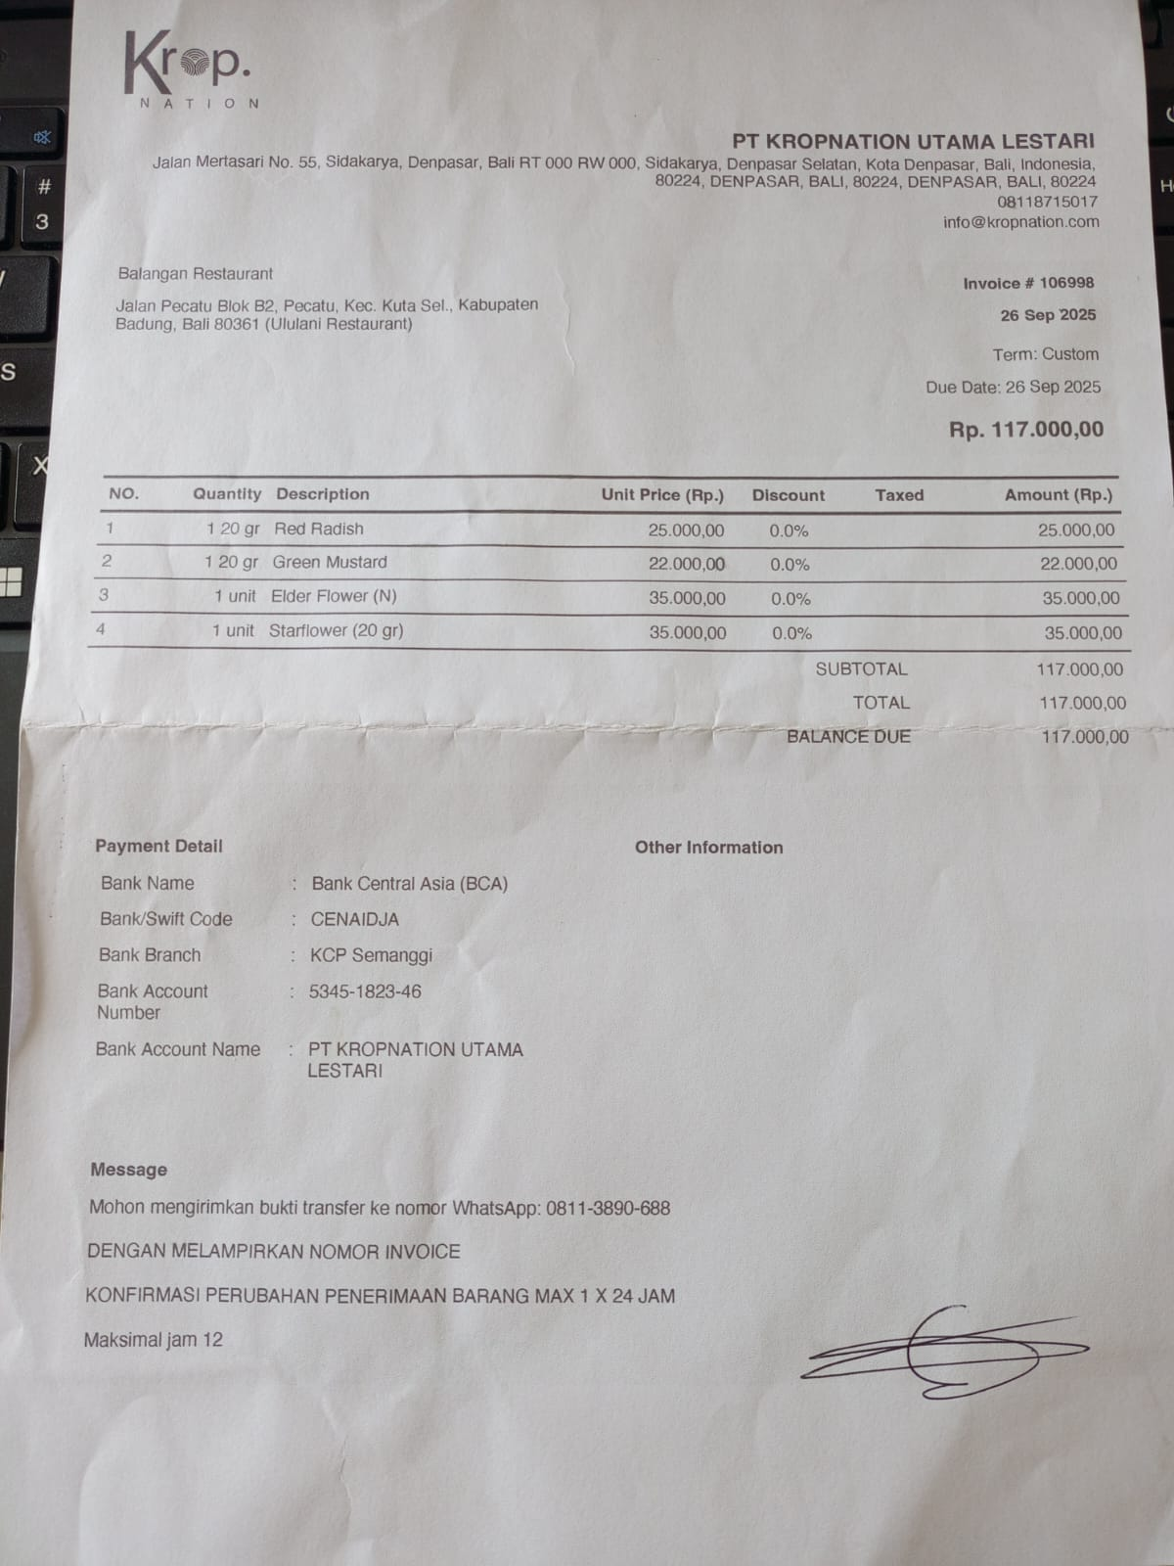 | Rp25,000 | Rp25,000 | Rp117,000
 |  | Green Mustard (20gr) | 1 |  | Rp22,000 | Rp22,000
 |  | Elder Flower (N) | 1 |  | Rp35,000 | Rp35,000
 |  | Starflower (20gr) | 1 |  | Rp35,000 | Rp35,000
8-Oct-2025 | 108476 | Green Mustard (20gr) | 1 | 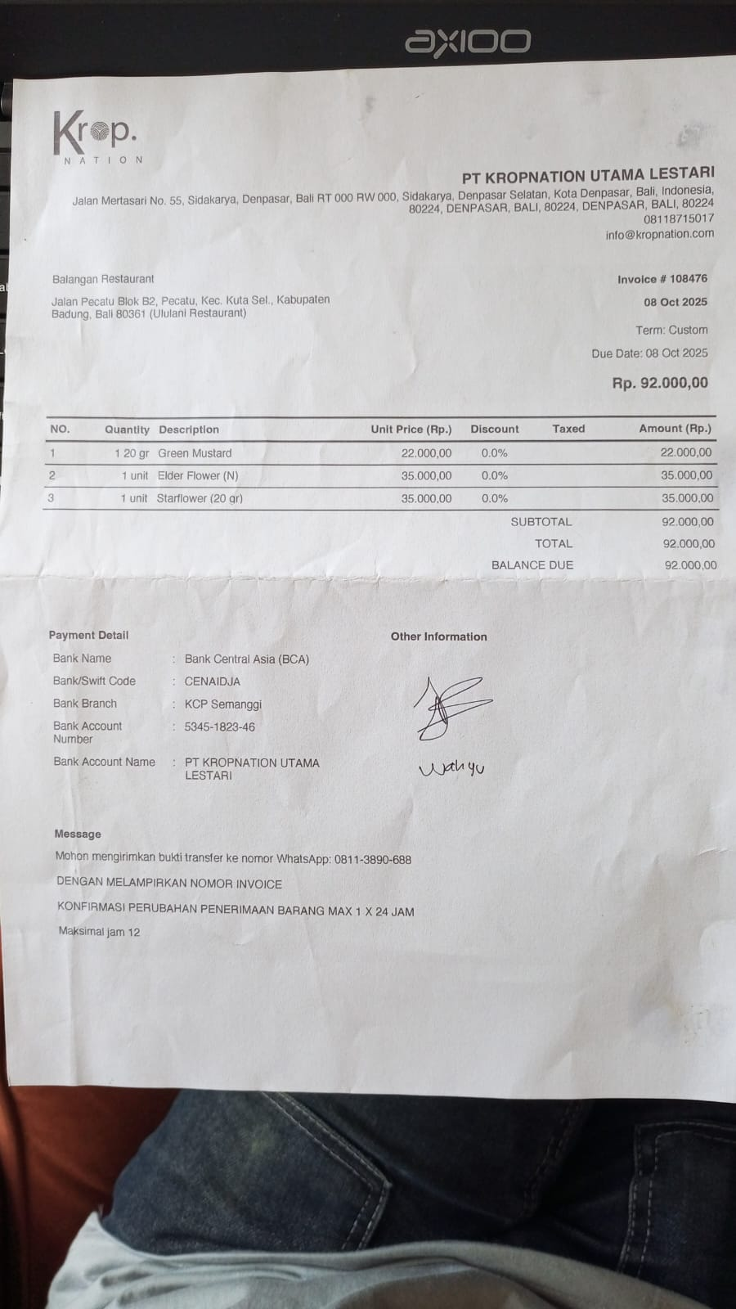 | Rp22,000 | Rp22,000 | Rp92,000
 |  | Elder Flower (N) | 1 |  | Rp35,000 | Rp35,000
 |  | Starflower (20gr) | 1 |  | Rp35,000 | Rp35,000
14-Oct-2025 | 109280 | Green Mustard (20gr) | 1 | 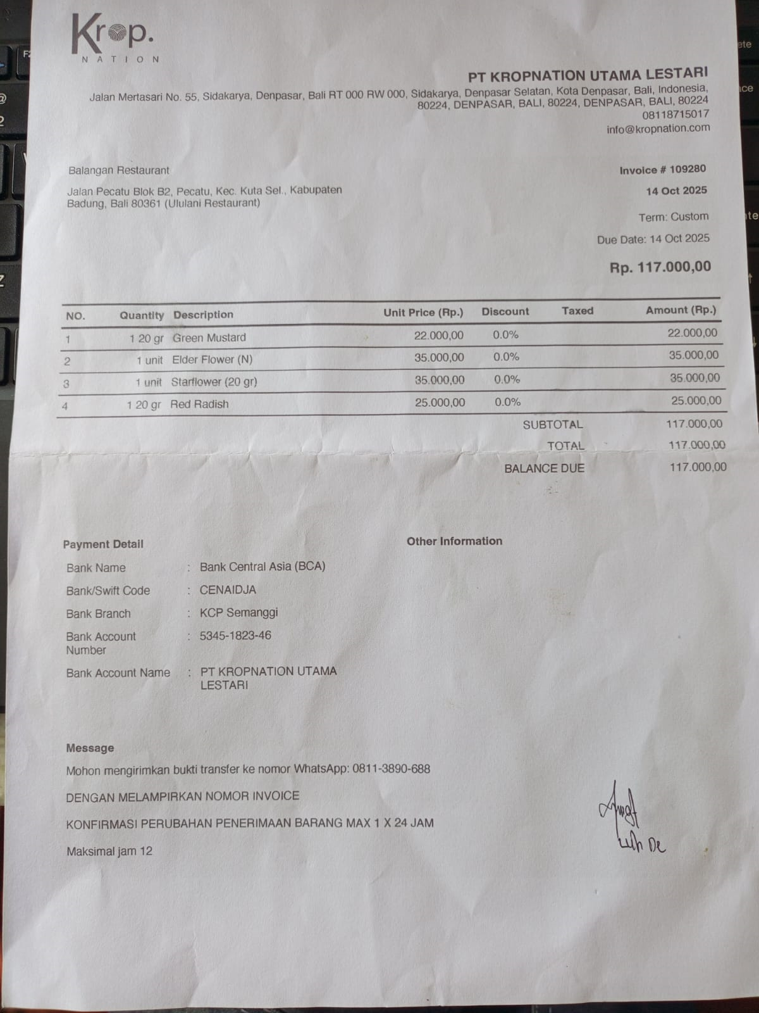 | Rp22,000 | Rp22,000 | Rp117,000
 |  | Elder Flower (N) | 1 |  | Rp35,000 | Rp35,000
 |  | Starflower (20gr) | 1 |  | Rp35,000 | Rp35,000
 |  | Red Radish (20gr) | 1 |  | Rp25,000 | Rp25,000
TOTAL |  |  |  |  |  |  | Rp326,000

